Rate Impacts
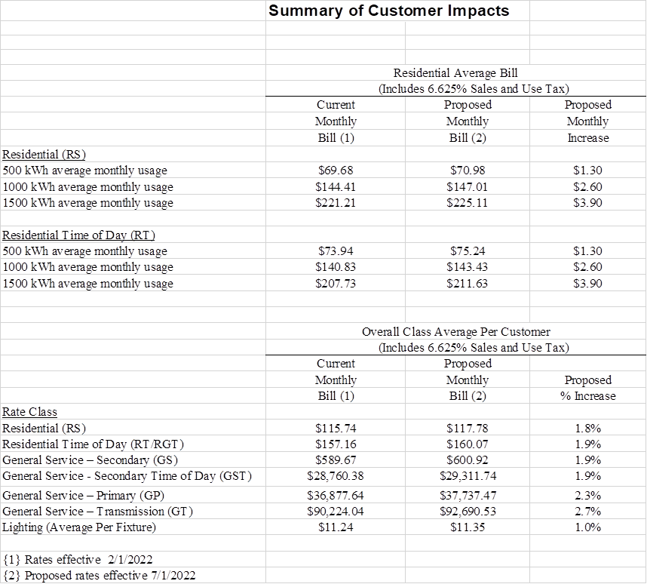
JERSEY CENTRAL POWER & LIGHT COMPANY
Energy Efficiency & Conservation ("EEC") Program
RRC Rate Impacts

