RRC Component Rates (RRC-1 p1)
 |  |  |  |  |  |  |  |  |  |  |  | RRC Component | 2024 Original Filing Proposed Revenues | 2024 Amended Filing Proposed Revenues | 2024 Amended Filing Change in Revenues
 |  |  |  | Attachment RRC-1 |  |  |  |  |  |  |  | SREC | $(2,672,650) | $(2,536,091) | $136,559
 |  |  |  | Page 1 of 2 |  |  |  |  |  |  |  | TREC | 43,835,359 | 48,614,915 | 4,779,556
 |  |  |  |  |  |  |  |  |  |  |  | SuSI* | 31,271,954 | 26,160,755 | (5,111,199)
JERSEY CENTRAL POWER & LIGHT COMPANY |  |  |  |  |  |  |  |  |  |  |  | CSP | 11,548,969 | 11,548,969 | -
2025 Rider RRC Filing |  |  |  |  |  |  |  |  |  |  |  | EE&C | 53,901,690 | 53,901,690 | -
Rate and Revenue Calculations |  |  |  |  |  |  |  |  |  |  |  | EE&C2 | 53,999,232 | 53,999,232 | -
For All Components of Rider RRC |  |  |  |  |  |  |  |  |  |  |  | Totals | $191,884,554 | $191,689,470 | $(195,084)
Proposed Rates Effective July 1, 2026 |  |  |  |  |  |  |  |  |  |  |  | Increase | $105,364,831 | $105,169,747 | $(195,084)
 |  |  |  |  |  |  |  |  |  |  |  | * Actual Data for calendar year 2024 is corrected in the Amended Filing.

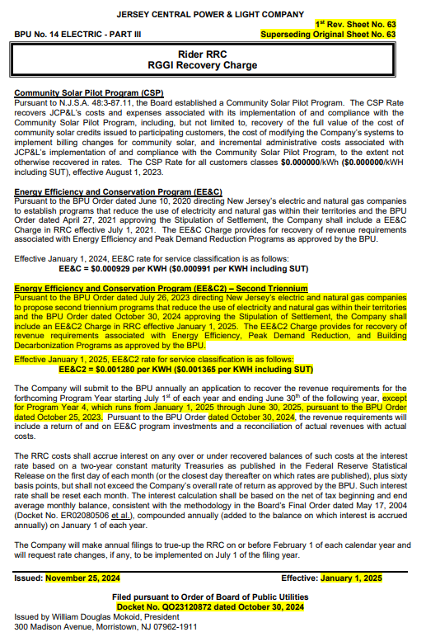
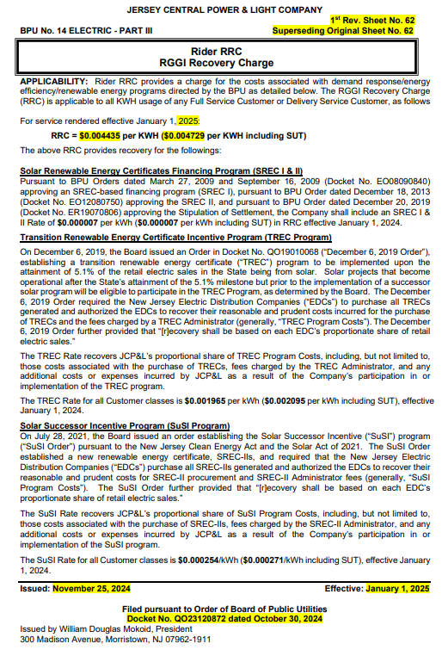
 |  |  | "As Filed" |  | 2024 Amended Rider RRC Filing |  |  |  |  | 2025 Rider |  | CURRENT
Rider RRC | Current RRC Rate |  | 2025 Rider RRC Filing |  | As Filed on 6/4/2025 |  |  |  |  | RRC Filing
Component | w/o SUT | w/SUT | w/o SUT | w/SUT | w/o SUT | w/SUT |  |  | Rider | w/o SUT
SREC | $0.000007 | $0.000007 | $(0.000106) | $(0.000113) | $(0.000130) | $(0.000139) |  |  | SREC | $(0.000113)
TREC | 0.001965 | 0.002095 | 0.004253 | 0.004535 | 0.002492 | 0.002657 |  |  | TREC | 0.002288
SuSI | 0.000254 | 0.000271 | 0.003770 | 0.004020 | 0.001341 | 0.001430 |  |  | SuSI | 0.003516
Community Solar | - | - | 0.001078 | 0.001149 | 0.000592 | 0.000631 |  |  | CSP | 0.001078
EE&C | 0.000929 | 0.000991 | 0.004097 | 0.004368 | 0.002763 | 0.002946 |  |  | EE&C | 0.003168
EE&C2 | 0.001280 | 0.001365 | 0.003659 | 0.003901 | 0.002768 | 0.002951 |  |  | EE&C2 | 0.002379
Total RRC Rate | $0.004435 | $0.004729 | $0.016751 | $0.017860 | $0.009826 | $0.010476 |  |  | Total | $0.012316

 |  |  | Proposed 2025 RRC Rate |  | 2024 Amended Rider RRC Filing
 |  |  | Actuals Through 12/31/2025 |  | As Filed on 6/4/2025
Rider RRC Component | Current RRC |  | 2025 Rider RRC Filing | Increase/ (Decrease) | RRC Revenues As Filed | Increase/ (Decrease)
SREC | $137,159 |  | $(2,076,975) | $(2,214,134) | $(2,536,091) | $459,116
TREC | 38,502,407 |  | 83,333,707 | 44,831,300 | 48,614,915 | 34,718,792
SuSI | 4,976,901 |  | 73,869,757 | 68,892,856 | 26,160,755 | 47,709,002
Community Solar | - |  | 21,122,440 | 21,122,440 | 11,548,969 | 9,573,471
EE&C | 18,202,919 |  | 80,277,028 | 62,074,109 | 53,901,690 | 26,375,338
EE&C2 | 25,080,448 |  | 71,694,812 | 46,614,364 | 53,999,232 | 17,695,580
Total RRC Rate | $86,899,834 |  | $328,220,769 | $241,320,935 | $191,689,470 | $136,531,299

JERSEY CENTRAL POWER & LIGHT COMPANY
2025 Rider RRC Filing
Rate and Revenue Calculations
For All Components of Rider RRC
Proposed Rates Effective July 1, 2026

 |  |  | "As Filed" |  | 2024 Amended Rider RRC Filing |  |  |  |  | 2025 Rider
Rider RRC | 2024 Amended Rider Filing** |  | 2025 Rider RRC Filing*** |  | As Filed on 6/4/2025 |  |  |  |  | RRC Filing
Component | w/o SUT | w/SUT | w/o SUT | w/SUT | w/o SUT | w/SUT |  |  | Rider | w/o SUT
SREC | $(0.000130) | $(0.000139) | $(0.000106) | $(0.000113) | $(0.000130) | $(0.000139) | - | - | SREC | $0.000024 | $0.000024
TREC | 0.002492 | 0.002657 | 0.004253 | 0.004535 | 0.002492 | 0.002657 | - | - | TREC | 0.001761 | 0.001761
SuSI | 0.001341 | 0.001430 | 0.003770 | 0.004020 | 0.001341 | 0.001430 | - | - | SuSI | 0.002429 | 0.002429
Community Solar | 0.000592 | 0.000631 | 0.001078 | 0.001149 | 0.000592 | 0.000631 | - | - | CSP | 0.000486 | 0.000486
EE&C | 0.002763 | 0.002946 | 0.004097 | 0.004368 | 0.002763 | 0.002946 | - | - | EE&C | 0.001334 | 0.001334
EE&C2 | 0.002768 | 0.002951 | 0.003659 | 0.003901 | 0.002768 | 0.002951 | - | - | EE&C2 | 0.000891 | 0.000891
Total RRC Rate | $0.009826 | $0.010476 | $0.016751 | $0.017860 | $0.009826 | $0.010476 | - | - | Total | $0.006925 | $0.006925
 |  |  |  |  |  |  |  |  |  |  | $0.006925
 |  |  | "As Filed" |  | 2024 Amended Rider RRC Filing |  |  |  |  |  | $-
 |  |  | 2025 Rider RRC Filing*** |  | As Filed on 6/4/2025
Rider RRC Component | 2024 Amended Rider Filing** |  | 2025 Rider RRC Filing*** | Increase/ (Decrease) | RRC Revenues As Filed | Increase/ (Decrease)
SREC | $(2,536,091) |  | $(2,076,975) | $459,116 | $(2,536,091) | $459,116 | $-
TREC | 48,614,915 |  | 83,333,707 | 34,718,792 | 48,614,915 | 34,718,792 | -
SuSI | 26,160,755 |  | 73,869,757 | 47,709,002 | 26,160,755 | 47,709,002 | -
Community Solar | 11,548,969 |  | 21,122,440 | 9,573,471 | 11,548,969 | 9,573,471 | -
EE&C | 53,901,690 |  | 80,277,028 | 26,375,338 | 53,901,690 | 26,375,338 | -
EE&C2 | 53,999,232 |  | 71,694,812 | 17,695,580 | 53,999,232 | 17,695,580 | -
Total RRC Rate | $191,689,470 |  | $328,220,769 | $136,531,299 | $191,689,470 | $136,531,299 | $-

* Please note that the total requested increase that JCP&L is seeking in its 2025 Rider RRC Filing is $241 million.
** Calculation Based on Forecast kWh of 19,508,393,182
*** Calculation Based on Forecast kWh of 19,594,100,021

Sales in kWh | 19,508,393,182 |  | 19,594,100,021

RRC Incremental Incr (RRC-1_p2)
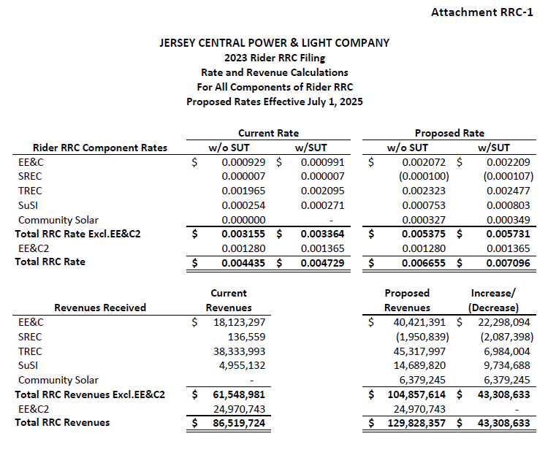
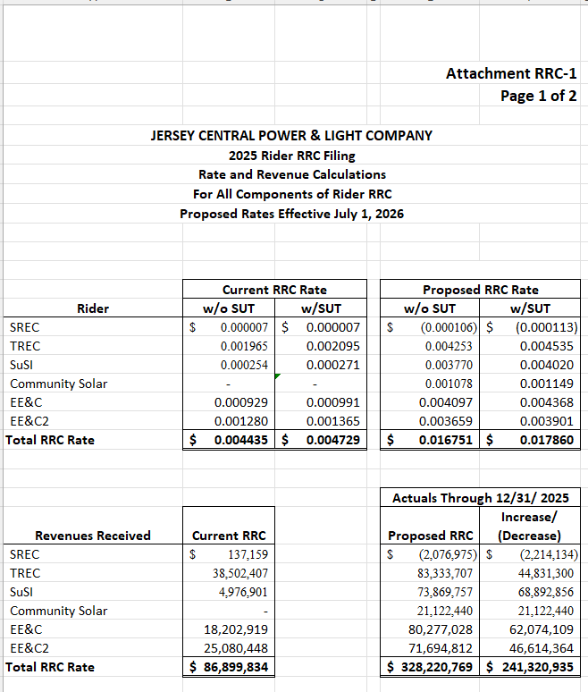
 |  |  |  | Attachment RRC-1 |  |  |  |  |  |  |  | 2023 Rider RRC Amended Filing | 2025 Rider RRC Filing
 |  |  |  | Page 2 of 2

 | JERSEY CENTRAL POWER & LIGHT COMPANY
 | 2025 Rider RRC Filing
 | Rider RRC Revenue Calculations by Filing
 | Breakdown of Proposed Increases by Rider RRC Filing from 2023 to 2025
 | Proposed Rates Effective July 1, 2026

 | TABLE A
 | 2023 Rider RRC Amended Filing (Docket No. ER24020075)
 | Riders | Current Rider RRC Revenues | 2023 Amended Rider RRC Filing | Increase/ (Decrease) | 2023 Amended Rider RRC Filing Tariff Rates | Forecast kWh |  |  | Rider | 2023 Rider RRC Incr/(Decr) without SUT | 2023 Rider RRC Incr/(Decr) with SUT
 | SREC | $136,559 | $(1,950,839) | $(2,087,398) | $(0.000100) |  |  |  | SREC | $(0.000100) | $(0.000107)
 | TREC | 38,333,993 | 45,317,997 | 6,984,004 | 0.002323 |  |  |  | TREC | 0.002323 | 0.002477
 | SuSI | 4,955,132 | 14,689,820 | 9,734,688 | 0.000753 |  |  |  | SuSI | 0.000753 | 0.000803
 | Community Solar | - | 6,379,245 | 6,379,245 | 0.000327 |  |  |  | CSP | 0.000327 | 0.000349
 | EE&C | 18,123,297 | 40,421,391 | 22,298,094 | 0.002072 |  |  |  | EEC1 | 0.002072 | 0.002209
 | EE&C2 | 24,970,743 | 24,970,743 | - | 0.001280 |  |  |  | EEC2 | 0.001280 | 0.001365
 | Total RRC Rate | $86,519,724 | $129,828,357 | $43,308,633 | $0.006655 | 19,508,393,182 |  |  | Total | $0.006655 | $0.007096
 |  |  |  |  | $0.000000
 | TABLE B
 | 2024 Rider RRC Amended Filing (Docket No. ER25020028)
 | Riders | 2023 Amended Rider RRC Filing | 2024 Amended Rider RRC Filing | Increase/ (Decrease) | 2024 Amended Rider RRC Filing Tariff Rates | Forecast kWh |  |  | Rider | 2024 Rider RRC Incr/(Decr) without SUT | 2024 Rider RRC Incr/(Decr) with SUT
 | SREC | $(1,950,839) | $(2,536,091) | $(585,252) | $(0.000130) |  |  |  | SREC | $(0.000030) | $(0.000032)
 | TREC | 45,317,997 | 48,614,915 | 3,296,918 | 0.002492 |  |  |  | TREC | 0.000169 | 0.000180
 | SuSI | 14,689,820 | 26,160,755 | 11,470,935 | 0.001341 |  |  |  | SuSI | 0.000588 | 0.000627
 | Community Solar | 6,379,245 | 11,548,969 | 5,169,724 | 0.000592 |  |  |  | CSP | 0.000265 | 0.000283
 | EE&C | 40,421,391 | 53,901,690 | 13,480,299 | 0.002763 |  |  |  | EEC1 | 0.000691 | 0.000737
 | EE&C2 | 24,970,743 | 53,999,232 | 29,028,489 | 0.002768 |  |  |  | EEC2 | 0.001488 | 0.001587
 | Total RRC Rate | $129,828,357 | $191,689,470 | $61,861,113 | $0.009826 | 19,508,393,182 |  |  | Total | $0.003171 | $0.003382
 |  |  |  |  | $(0.000000)
 | TABLE C
 | 2025 Rider RRC Filing (Docket No. ________________ ) |  |  |  |  |  |  |  |  |  |  | 2024 Rider RRC Amended Filing
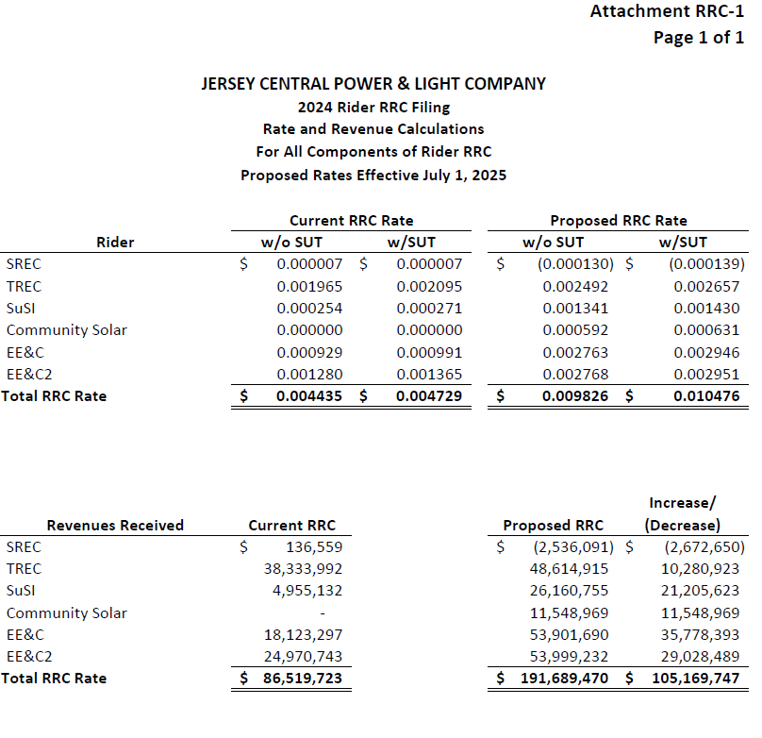
 | Riders | 2024 Amended Rider RRC Filing | Proposed 2025 Rider RRC Filing | Increase/ (Decrease) | Proposed 2025 Rider RRC Filing Tariff Rates | Forecast kWh |  |  | Rider | 2025 Rider RRC Incr/(Decr) without SUT | 2025 Rider RRC Incr/(Decr) with SUT
 | SREC | $(2,536,091) | $(2,076,975) | $459,116 | $(0.000106) |  | $- | $- | SREC | $0.000024 | $0.000026
 | TREC | 48,614,915 | 83,333,707 | 34,718,792 | 0.004253 |  | $- | $- | TREC | 0.001761 | 0.001878
 | SuSI | 26,160,755 | 73,869,757 | 47,709,002 | 0.003770 |  | $- | $- | SuSI | 0.002429 | 0.002590
 | Community Solar | 11,548,969 | 21,122,440 | 9,573,471 | 0.001078 |  | $- | $- | CSP | 0.000486 | 0.000518
 | EE&C | 53,901,690 | 80,277,028 | 26,375,338 | 0.004097 |  | $- | $- | EEC1 | 0.001334 | 0.001422
 | EE&C2 | 53,999,232 | 71,694,812 | 17,695,580 | 0.003659 |  | $- | $- | EEC2 | 0.000891 | 0.000950
 | Total RRC Rate | $191,689,470 | $328,220,769 | $136,531,299 | $0.016751 | 19,594,100,021 | $- | $- | Total | $0.006925 | $0.007384
 | Regulatory Lag ** |  |  | $(380,110)
 | Cumulative Requested Increase |  |  | $241,320,935 | $0.016751 |  |  |  | 2023-25 | $0.016751 | $0.017862

* | Based on 19,594,100 MWh forecast Sales for the 12 Months Ended June 30, 2027. |  |  |  |  |  |  |  |  | Double Check | $0.017861
** | Calculation of adjustment for Regulatory Lag |  |  |  |  |  |  |  |  | Rounding Diff | $0.000001
 |  |  | Rate | Regulaory
 | Rider RRC Filing | kWh | ($/kWh) | Lag
 | A | B | C | D = B x C
 | 1 - 2023 & 2024 Filings | 19,508,393,182 | $0.004435 | $86,519,724
 | 2 - 2025 RRC Filing | 19,594,100,021 | $0.004435 | 86,899,834
 | 3 - Regulatory Lag (L1 - L2) | (85,706,839) | $0.004435 | $(380,110)

 |  |  | Rider | Calculation of Regulatory Lag Adj.by Rider
 |  |  | SREC | $600
 |  |  | TREC | 168,414
 |  |  | SuSI | 21,769
 |  |  | CSP | -
 |  |  | EEC1 | 79,622
 |  |  | EEC2 | 109,705
 |  |  | Total | $380,110
 |  |  |  | -

Reconciliation (EE&C-1_p3)
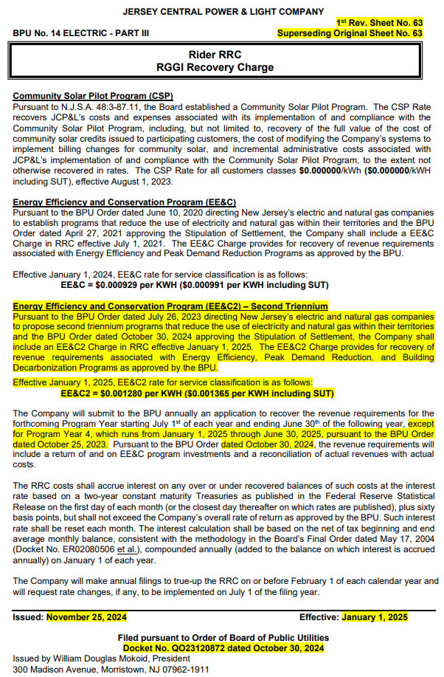
 |  |  |  |  |  |  |  |  |  |  |  |  |  | Attachment EE&C-1
 |  |  |  |  |  |  |  |  |  |  |  |  |  | Page 3 of 7
JERSEY CENTRAL POWER & LIGHT COMPANY
Energy Efficiency & Conservation ("EE&C") Program
Reconciliation of Revenues and Revenue Requirements Based on Actual/Forecast Data

Reconciliation of Revenues and Revenue Requirements Based on Actual Data

 |  |  |  | Beginning | Current | Ending |  |  |  |  | Annual | Monthly |  | Deferred
 |  |  | Actual | EE&C | Period | EE&C | Average |  |  | Total | Interest | Interest | Interest | EE&C
 |  | Actual | Revenue | Deferral | Over/(Under) | Deferral | Beginning | Tax | Deferred | Average Bal. | Rate** | Rate ** | (Income)/ | Over/(Under)
Mo. | Year | Revenues | Requirement | Balance | Collection | Balance | Ending Balance | Rate | Tax | Net of Tax | (AIR) | AIR ÷ 12 | Expense | Ending Balance
 |  |  |  |  |  |  |  |  |  |  |  |  | $(305,936)
Jul | 2025 | $1,971,112 | $3,611,291 | $(25,340,348) | $(1,640,179) | $(26,980,527) | $(26,160,437) | 28.11% | $(7,353,699) | $(18,806,738) | 4.38% | 0.3650% | (68,645) | $(27,355,107)
Aug | 2025 | 2,016,096 | 3,531,253 | (26,980,527) | (1,515,156) | (28,495,683) | (27,738,105) | 28.11% | (7,797,181) | (19,940,924) | 4.29% | 0.3575% | (71,289) | (28,941,552)
Sep | 2025 | 1,808,958 | 3,365,824 | (28,495,683) | (1,556,867) | (30,052,550) | (29,274,116) | 28.11% | (8,228,954) | (21,045,162) | 4.26% | 0.3550% | (74,710) | (30,573,129)
Oct | 2025 | 1,271,942 | 3,302,868 | (30,052,550) | (2,030,926) | (32,083,476) | (31,068,013) | 28.11% | (8,733,218) | (22,334,794) | 4.15% | 0.3458% | (77,241) | (32,681,296)
Nov | 2025 | 1,255,152 | 3,207,243 | (32,083,476) | (1,952,092) | (34,035,567) | (33,059,522) | 28.11% | (9,293,032) | (23,766,490) | 4.20% | 0.3500% | (83,183) | (34,716,571)
Dec | 2025 | 1,468,141 | 3,143,727 | (34,035,567) | (1,675,586) | (35,711,154) | (34,873,361) | 28.11% | (9,802,902) | (25,070,459) | 4.14% | 0.3450% | (86,493) | (36,478,650)
Total | 2025 | $9,791,401 | $20,162,206 |  | $(10,370,806) |  | - |  |  |  |  |  | $(767,496)

Reconciliation of Revenues and Revenue Requirements Based on Forecast Data

 |  | Forecasted | EE&C Rate | Forecasted
Mo. | Year | kWh Sales | per kWh | Revenues
Jan | 2026 | 1,764,257,790 | $0.000929 | $1,638,995
Feb | 2026 | 1,521,527,292 | $0.000929 | 1,413,499
Mar | 2026 | 1,509,279,565 | $0.000929 | 1,402,121
Apr | 2026 | 1,301,687,815 | $0.000929 | 1,209,268
May | 2026 | 1,429,604,801 | $0.000929 | 1,328,103
Jun | 2026 | 1,739,252,992 | $0.000929 | 1,615,766
Total | 2026 | 9,265,610,255 |  | 8,607,752

Reconciliation of Revenues and Revenue Requirements Based on Forecast Data
 |  |  |  | Beginning | Current | Ending |  |  |  |  | Annual | Monthly |  | Deferred
 |  |  | Forecast | EE&C | Period | EE&C | Average |  |  | Total | Interest | Interest | Interest | EE&C
 |  | Forecast | Revenue | Deferral | Over/(Under) | Deferral | Beginning | Tax | Deferred | Average Bal. | Rate** | Rate ** | (Income)/ | Over/(Under)
Mo. | Year | Revenues | Requirement | Balance | Collection | Balance | Ending Balance | Rate | Tax | Net of Tax | (AIR) | AIR ÷ 12 | Expense | Ending Balance
 |  |  |  |  |  |  |  |  |  |  |  |  | $(767,496)
Jan | 2026 | $1,638,995 | $3,088,921 | $(36,478,650) | $(1,449,925) | $(37,928,576) | $(37,203,613) | 28.11% | $(10,457,936) | $(26,745,677) | 4.14% | 0.3450% | (92,273) | $(38,020,848)
Feb | 2026 | 1,413,499 | 3,040,321 | (37,928,576) | (1,626,822) | (39,555,397) | (38,741,986) | 28.11% | (10,890,372) | (27,851,614) | 4.14% | 0.3450% | (96,088) | (39,743,758)
Mar | 2026 | 1,402,121 | 3,000,917 | (39,555,397) | (1,598,797) | (41,154,194) | (40,354,796) | 28.11% | (11,343,733) | (29,011,063) | 4.14% | 0.3450% | (100,088) | (41,442,643)
Apr | 2026 | 1,209,268 | 2,975,041 | (41,154,194) | (1,765,773) | (42,919,967) | (42,037,080) | 28.11% | (11,816,623) | (30,220,457) | 4.14% | 0.3450% | (104,261) | (43,312,676)
May | 2026 | 1,328,103 | 2,948,690 | (42,919,967) | (1,620,587) | (44,540,554) | (43,730,260) | 28.11% | (12,292,576) | (31,437,684) | 4.14% | 0.3450% | (108,460) | (45,041,723)
Jun | 2026 | 1,615,766 | 2,915,598 | (44,540,554) | (1,299,832) | (45,840,386) | (45,190,470) | 28.11% | (12,703,041) | (32,487,429) | 4.14% | 0.3450% | (112,082) | (46,453,637)
Total | 2026 | $8,607,752 | $17,969,488 |  | $(9,361,736) |  | - |  |  |  |  |  | $(1,380,748)

* Two year Treasury plus 60 basis points.
** Forecast annual interest rate based on rate at 12/1/2025 + 60 basis points as computed below.
 |  |  |  |  | Market Yield on U.S. Treasury Securities at 2-Year Constant Maturity = | 3.54%
 |  |  |  |  | Add: 60 Basis Points = | 0.60%
 |  |  |  |  | Forecast EE&C Annual Interest Rate = | 4.14%

Additional Information on Interest and the Interest Computation.
The RRC costs shall accrue interest on any over or under recovered balances of such costs at the interest
rate based on a two-year constant maturity Treasuries as published in the Federal Reserve Statistical
Release on the first day of each month (or the closest day thereafter on which rates are published), plus
sixty basis points, but shall not exceed the Company’s overall rate of return as approved by the BPU. Such
interest rate shall be reset each month. The interest calculation shall be based on the net of tax beginning
and end average monthly balance, consistent with the methodology in the Board’s Final Order dated
May 17, 2004 (Docket No. ER02080506 et al.), compounded annually (added to the balance on which interest
is accrued annually) on January 1 of each year.

Rate Calculation (EE&C-1_p5)
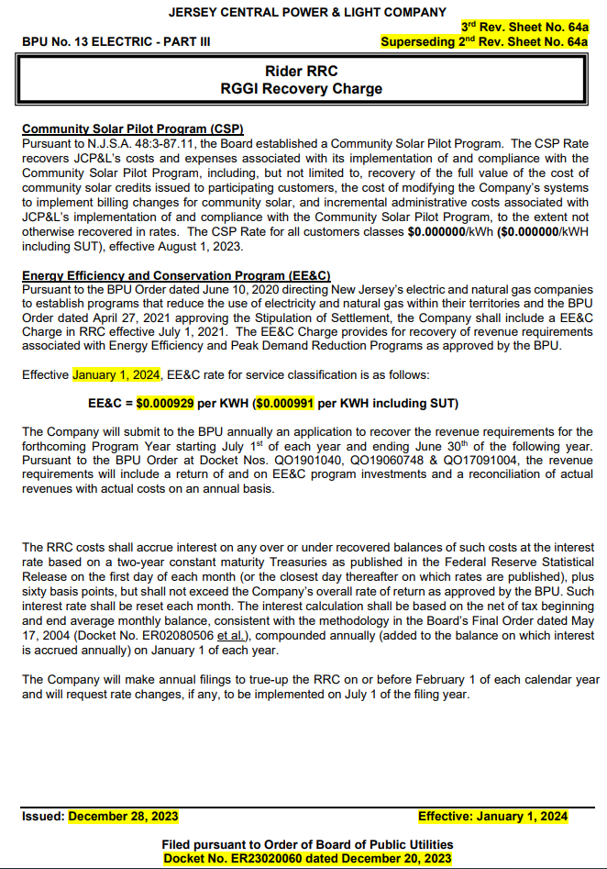
 |  | Attachment EE&C-1
 |  | Page 5 of 7

JERSEY CENTRAL POWER & LIGHT COMPANY
Energy Efficiency & ConservationProgram ("EE&C")
EE&C Component of the RRC Rider Charge
For the Period July 1, 2026 to June 30, 2027
Proposed EE&C Rate Increase
Effective July 1, 2026

 |  | EE&C
Line |  | Program
# | EE&C Net Revenue Requirement Calculation | 7/1/26-6/30/27
1 | Amortization Expense | $23,116,708
2 | Rate of Return | 10,704,303
3 | O & M Expenses | -
4 | Total Projected Revenue Requirement - 7/1/26 - 6/30/27 | $33,821,011
5 | Actual Reconciliation (Over)/Under Collection 7/1/25 to 12/31/25, Forecasted Reconciliation 1/1/26 to 6/30/26 | $46,453,637
6 | Total Net Revenue Requirement - 7/1/26 - 6/30/27 | $80,274,649

 | Calculation of Proposed Increase in Rider EE&C
7 | Total Net Revenue Requirement - 7/1/26 - 6/30/27 | $80,274,649
8 | Forecast MWh Sales for the 12 Months Ended June 30, 2027 | 19,594,100
9 | Proposed Tariff Rider EE&C ($ per kWh) before SUT (L7 ÷ L8), Effective July 1, 2026 | $0.004097
10 | Current Rider EE&C ($ per kWh) before SUT | 0.000929
11 | Proposed Increase in Rider EE&C ($ per kWh) before SUT (L9-L10), Effective July 1, 2026 | $0.003168

12 | Proposed Rider EE&C Revenue Increase (L8 x L11 x 1,000) | $62,074,109

 | Proposed Rates, Effective July 1, 2026
13 | Proposed rate without SUT ($/kWh) (Line 9) | $0.004097

14 | Proposed rate with SUT ($/kWh) (Line 9 x 1.06625) | $0.004368

15 | Total Rider EE&C Revenue Requirement (L8 x L13 x 1,000) | $80,277,028

 | Current Rates | $18,202,919
 | New Rates | 80,277,028
 | Increase | 62,074,109
 | 2024 Amended Filing Increase | 35,778,393
 | Incremental Increase | 26,295,716

Rate Impacts (EE&C-1_p7)
Attachment EE&C-1
Page 7 of 7

JERSEY CENTRAL POWER & LIGHT COMPANY
Rider RRC Rate and Revenue Calculations
For All Components of Rider RRC
Proposed Rates Effective July 1, 2026
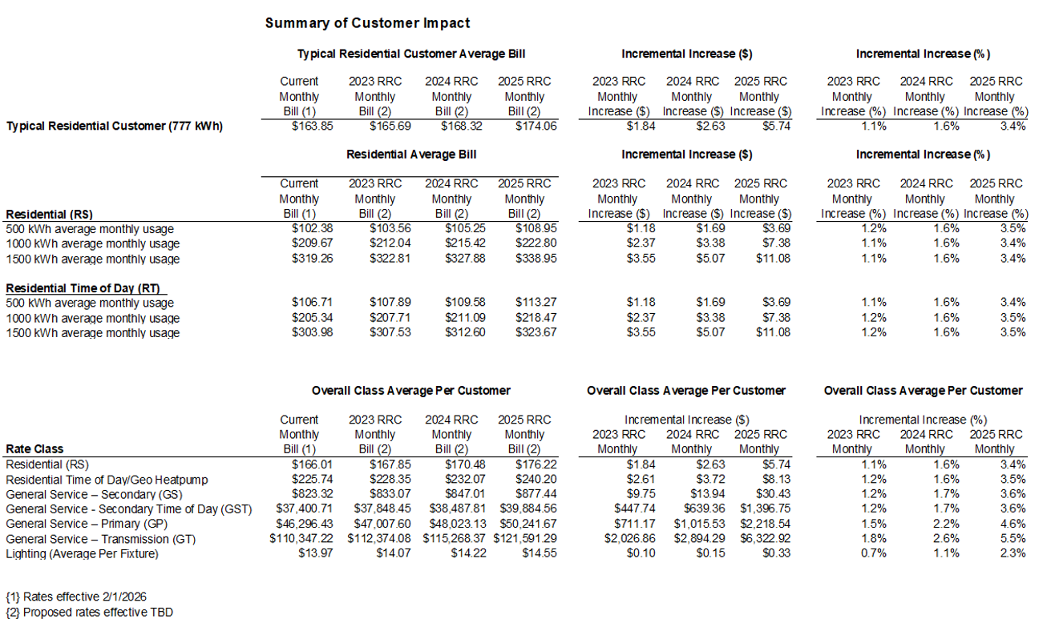

kWh Forecast
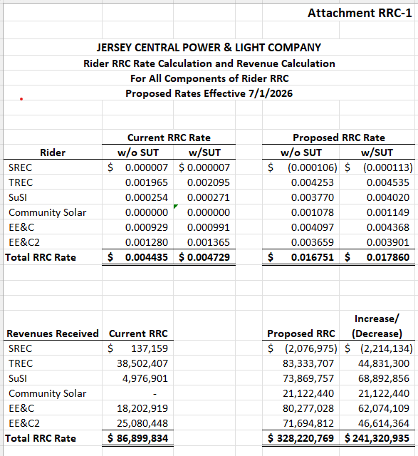
Planning Entity | Time Periods of: JC Cycle kWh by Customer Class & Rate Schedule - Vertical | Total kWh |  | kWh Sales 7/2025 to 6/2026 |  |  | SREC Revenues | TREC Revenues | SuSI Revenues | CSP Revenues | Subtotal | EEC Revenues | EEC2 Revenues | Total RRC
 |  |  |  |  | Mo | Year | $0.000007 | $0.001965 | $0.000254 | $0.000000 | $0.002226 | $0.000929 | $0.001280 | $0.004435
JC01 | Jan - 2025 | 1,759,000,774 |  |  | Jan | 2025 | $12,313.01 | $3,456,436.52 | $446,786.20 | $- | $3,915,535.73 | $1,634,111.72 | $2,251,520.99 | $7,801,168.44
JC01 | Feb - 2025 | 1,518,430,809 |  |  | Feb | 2025 | $10,629.02 | $2,983,716.54 | $385,681.43 | $- | $3,380,026.99 | $1,410,622.22 | $1,943,591.44 | $6,734,240.65
JC01 | Mar - 2025 | 1,507,885,487 |  |  | Mar | 2025 | $10,555.20 | $2,962,994.98 | $383,002.91 | $- | $3,356,553.09 | $1,400,825.62 | $1,930,093.42 | $6,687,472.13
JC01 | Apr - 2025 | 1,302,385,183 |  |  | Apr | 2025 | $9,116.70 | $2,559,186.88 | $330,805.84 | $- | $2,899,109.42 | $1,209,915.83 | $1,667,053.03 | $5,776,078.28
JC01 | May - 2025 | 1,428,856,863 |  |  | May | 2025 | $10,002.00 | $2,807,703.73 | $362,929.64 | $- | $3,180,635.37 | $1,327,408.03 | $1,828,936.78 | $6,336,980.18
JC01 | Jun - 2025 | 1,734,303,797 |  |  | June | 2025 | $12,140.13 | $3,407,906.96 | $440,513.16 | $- | $3,860,560.25 | $1,611,168.23 | $2,219,908.86 | $7,691,637.34
JC01 | Jul - 2025 | 2,175,362,578 |  |  | July | 2025 | $15,227.54 | $4,274,587.47 | $552,542.09 | $- | $4,842,357.10 | $2,020,911.84 | $2,784,464.10 | $9,647,733.04
JC01 | Aug - 2025 | 2,073,250,570 |  |  | Aug | 2025 | $14,512.75 | $4,073,937.37 | $526,605.64 | $- | $4,615,055.76 | $1,926,049.78 | $2,653,760.73 | $9,194,866.27
JC01 | Sep - 2025 | 1,599,765,782 |  |  | Sept | 2025 | $11,198.36 | $3,143,539.76 | $406,340.51 | $- | $3,561,078.63 | $1,486,182.41 | $2,047,700.20 | $7,094,961.24
JC01 | Oct - 2025 | 1,376,068,342 |  |  | Oct | 2025 | $9,632.48 | $2,703,974.29 | $349,521.36 | $- | $3,063,128.13 | $1,278,367.49 | $1,761,367.48 | $6,102,863.10
JC01 | Nov - 2025 | 1,429,993,347 |  |  | Nov | 2025 | $10,009.95 | $2,809,936.93 | $363,218.31 | $- | $3,183,165.19 | $1,328,463.82 | $1,830,391.48 | $6,342,020.49
JC01 | Dec - 2025 | 1,674,831,676 | 19,580,135,207 |  | Dec | 2025 | $11,723.82 | $3,291,044.24 | $425,407.25 | $- | $3,728,175.31 | $1,555,918.63 | $2,143,784.55 | $7,427,878.49
JC01 | Jan - 2026 | 1,764,257,790 |  |  | Jan | 2026 | $12,349.80 | $3,466,766.56 | $448,121.48 | $- | $3,927,237.84 | $1,638,995.49 | $2,258,249.97 | $7,824,483.30
JC01 | Feb - 2026 | 1,521,527,292 |  |  | Feb | 2026 | $10,650.69 | $2,989,801.13 | $386,467.93 | $- | $3,386,919.75 | $1,413,498.85 | $1,947,554.93 | $6,747,973.53
JC01 | Mar - 2026 | 1,509,279,565 |  |  | Mar | 2026 | $10,564.96 | $2,965,734.35 | $383,357.01 | $- | $3,359,656.32 | $1,402,120.72 | $1,931,877.84 | $6,693,654.88
JC01 | Apr - 2026 | 1,301,687,815 |  |  | Apr | 2026 | $9,111.81 | $2,557,816.56 | $330,628.71 | $- | $2,897,557.08 | $1,209,267.98 | $1,666,160.40 | $5,772,985.46
JC01 | May - 2026 | 1,429,604,801 |  |  | May | 2026 | $10,007.23 | $2,809,173.43 | $363,119.62 | $- | $3,182,300.28 | $1,328,102.86 | $1,829,894.15 | $6,340,297.29
JC01 | Jun - 2026 | 1,739,252,992 | 9,265,610,255 |  | Jun | 2026 | $12,174.77 | $3,417,632.13 | $441,770.26 | $- | $3,871,577.16 | $1,615,766.03 | $2,226,243.83 | $7,713,587.02
JC01 | Jul - 2026 | 2,186,517,426 |  |  | Jul | 2026 | $15,305.62 | $4,296,506.74 | $555,375.43 | $- | $4,867,187.79 | $2,031,274.69 | $2,798,742.31 | $9,697,204.79
JC01 | Aug - 2026 | 2,081,632,675 |  |  | Aug | 2026 | $14,571.43 | $4,090,408.21 | $528,734.70 | $- | $4,633,714.34 | $1,933,836.76 | $2,664,489.82 | $9,232,040.92
JC01 | Sep - 2026 | 1,603,779,179 | Jul - 2026 | 2,186,517,426 | Sep | 2026 | $11,226.45 | $3,151,426.09 | $407,359.91 | $- | $3,570,012.45 | $1,489,910.86 | $2,052,837.35 | $7,112,760.66
JC01 | Oct - 2026 | 1,375,538,752 | Aug - 2026 | 2,081,632,675 | Oct | 2026 | $9,628.77 | $2,702,933.65 | $349,386.84 | $- | $3,061,949.26 | $1,277,875.50 | $1,760,689.60 | $6,100,514.36
JC01 | Nov - 2026 | 1,431,273,170 | Sep - 2026 | 1,603,779,179 | Nov | 2026 | $10,018.91 | $2,812,451.78 | $363,543.39 | $- | $3,186,014.08 | $1,329,652.78 | $1,832,029.66 | $6,347,696.52
JC01 | Dec - 2026 | 1,679,096,951 | Oct - 2026 | 1,375,538,752 | Dec | 2026 | $11,753.68 | $3,299,425.51 | $426,490.63 | $- | $3,737,669.82 | $1,559,881.07 | $2,149,244.10 | $7,446,794.99
JC01 | Jan - 2027 | 1,761,522,620 | Nov - 2026 | 1,431,273,170 | Jan | 2027 | $12,330.66 | $3,461,391.95 | $447,426.75 | $- | $3,921,149.36 | $1,636,454.51 | $2,254,748.95 | $7,812,352.82
JC01 | Feb - 2027 | 1,517,184,580 | Dec - 2026 | 1,679,096,951 | Feb | 2027 | $10,620.29 | $2,981,267.70 | $385,364.88 | $- | $3,377,252.87 | $1,409,464.48 | $1,941,996.26 | $6,728,713.61
JC01 | Mar - 2027 | 1,503,428,908 | Jan - 2027 | 1,761,522,620 | Mar | 2027 | $10,524.00 | $2,954,237.80 | $381,870.94 | $- | $3,346,632.74 | $1,396,685.46 | $1,924,389.00 | $6,667,707.20
JC01 | Apr - 2027 | 1,294,001,101 | Feb - 2027 | 1,517,184,580 | Apr | 2027 | $9,058.01 | $2,542,712.16 | $328,676.28 | $- | $2,880,446.45 | $1,202,127.02 | $1,656,321.41 | $5,738,894.88
JC01 | May - 2027 | 1,423,203,482 | Mar - 2027 | 1,503,428,908 | May | 2027 | $9,962.42 | $2,796,594.84 | $361,493.68 | $- | $3,168,050.94 | $1,322,156.04 | $1,821,700.46 | $6,311,907.44
JC01 | Jun - 2027 | 1,736,921,175 | Apr - 2027 | 1,294,001,101 | June | 2027 | $12,158.45 | $3,413,050.11 | $441,177.98 | $- | $3,866,386.54 | $1,613,599.77 | $2,223,259.10 | $7,703,245.41
JC01 | Jul - 2027 | 2,190,287,533 | May - 2027 | 1,423,203,482 | TOTALS |  | $201,920.22 | $56,681,889.83 | $7,326,819.35 | $- | $64,210,629.40 | $26,797,697.55 | $36,922,554.18 | $127,930,881.13
JC01 | Aug - 2027 | 2,082,972,584 | Jun - 2027 | 1,736,921,175 |  |  |  |  |  |  | $- |  |  | $-
JC01 | Sep - 2027 | 1,602,406,095 |  | 19,594,100,021
JC01 | Oct - 2027 | 1,367,395,207
JC01 | Nov - 2027 | 1,425,700,811
JC01 | Dec - 2027 | 1,676,435,209
JC01 | Jan - 2028 | 1,731,684,229
JC01 | Feb - 2028 | 1,544,451,926
JC01 | Mar - 2028 | 1,493,244,288
JC01 | Apr - 2028 | 1,296,237,772
JC01 | May - 2028 | 1,391,660,955
JC01 | Jun - 2028 | 1,721,576,792
JC01 | Jul - 2028 | 2,128,854,492
JC01 | Aug - 2028 | 2,029,717,911
JC01 | Sep - 2028 | 1,572,672,013
JC01 | Oct - 2028 | 1,367,188,818
JC01 | Nov - 2028 | 1,422,276,125
JC01 | Dec - 2028 | 1,665,885,695
JC01 | Jan - 2029 | 1,774,906,558
JC01 | Feb - 2029 | 1,524,127,606
JC01 | Mar - 2029 | 1,507,141,228
JC01 | Apr - 2029 | 1,291,355,180
JC01 | May - 2029 | 1,424,809,124
JC01 | Jun - 2029 | 1,751,080,197
JC01 | Jul - 2029 | 2,223,118,076
JC01 | Aug - 2029 | 2,109,204,391
JC01 | Sep - 2029 | 1,617,806,910
JC01 | Oct - 2029 | 1,364,195,588
JC01 | Nov - 2029 | 1,429,181,406
JC01 | Dec - 2029 | 1,689,183,166
JC01 | Jan - 2030 | 1,819,406,809
JC01 | Feb - 2030 | 1,561,507,049
JC01 | Mar - 2030 | 1,542,591,986
JC01 | Apr - 2030 | 1,320,148,086
JC01 | May - 2030 | 1,457,830,427
JC01 | Jun - 2030 | 1,795,059,808
JC01 | Jul - 2030 | 2,283,082,468
JC01 | Aug - 2030 | 2,164,480,677
JC01 | Sep - 2030 | 1,658,565,973
JC01 | Oct - 2030 | 1,394,707,435
JC01 | Nov - 2030 | 1,462,884,507
JC01 | Dec - 2030 | 1,731,330,564
JC01 | Jan - 2031 | 1,865,064,018
JC01 | Feb - 2031 | 1,599,748,353
JC01 | Mar - 2031 | 1,579,336,406
JC01 | Apr - 2031 | 1,350,288,072
JC01 | May - 2031 | 1,492,152,740
JC01 | Jun - 2031 | 1,840,146,324
JC01 | Jul - 2031 | 2,343,853,925
JC01 | Aug - 2031 | 2,220,717,923
JC01 | Sep - 2031 | 1,700,273,881
JC01 | Oct - 2031 | 1,426,645,603
JC01 | Nov - 2031 | 1,497,818,116
JC01 | Dec - 2031 | 1,774,582,113
JC01 | Jan - 2032 | 1,904,731,082
JC01 | Feb - 2032 | 1,692,964,795
JC01 | Mar - 2032 | 1,633,321,718
JC01 | Apr - 2032 | 1,412,937,288
JC01 | May - 2032 | 1,522,135,688
JC01 | Jun - 2032 | 1,894,997,609
JC01 | Jul - 2032 | 2,355,523,643
JC01 | Aug - 2032 | 2,239,571,524
JC01 | Sep - 2032 | 1,729,904,442
JC01 | Oct - 2032 | 1,490,732,924
JC01 | Nov - 2032 | 1,555,695,216
JC01 | Dec - 2032 | 1,830,302,121
JC01 | Jan - 2033 | 1,967,262,664
JC01 | Feb - 2033 | 1,686,188,433
JC01 | Mar - 2033 | 1,663,194,483
JC01 | Apr - 2033 | 1,420,279,577
JC01 | May - 2033 | 1,570,865,793
JC01 | Jun - 2033 | 1,940,958,866
JC01 | Jul - 2033 | 2,476,794,489
JC01 | Aug - 2033 | 2,344,742,637
JC01 | Sep - 2033 | 1,793,307,942
JC01 | Oct - 2033 | 1,500,781,591
JC01 | Nov - 2033 | 1,577,508,160
JC01 | Dec - 2033 | 1,871,479,726
JC01 | Jan - 2034 | 2,024,289,264
JC01 | Feb - 2034 | 1,734,777,072
JC01 | Mar - 2034 | 1,710,620,980
JC01 | Apr - 2034 | 1,460,354,398
JC01 | May - 2034 | 1,615,541,479
JC01 | Jun - 2034 | 1,997,150,288
JC01 | Jul - 2034 | 2,549,695,003
JC01 | Aug - 2034 | 2,413,137,955
JC01 | Sep - 2034 | 1,845,033,843
JC01 | Oct - 2034 | 1,543,227,183
JC01 | Nov - 2034 | 1,622,578,796
JC01 | Dec - 2034 | 1,925,563,157
JC01 | Jan - 2035 | 2,082,552,326
JC01 | Feb - 2035 | 1,784,601,479
JC01 | Mar - 2035 | 1,759,393,759
JC01 | Apr - 2035 | 1,501,813,963
JC01 | May - 2035 | 1,661,565,983
JC01 | Jun - 2035 | 2,054,525,592
JC01 | Jul - 2035 | 2,623,522,524
JC01 | Aug - 2035 | 2,482,595,645
JC01 | Sep - 2035 | 1,897,776,330
JC01 | Oct - 2035 | 1,587,140,402
JC01 | Nov - 2035 | 1,668,932,042
JC01 | Dec - 2035 | 1,980,823,252

