EXAMPLE
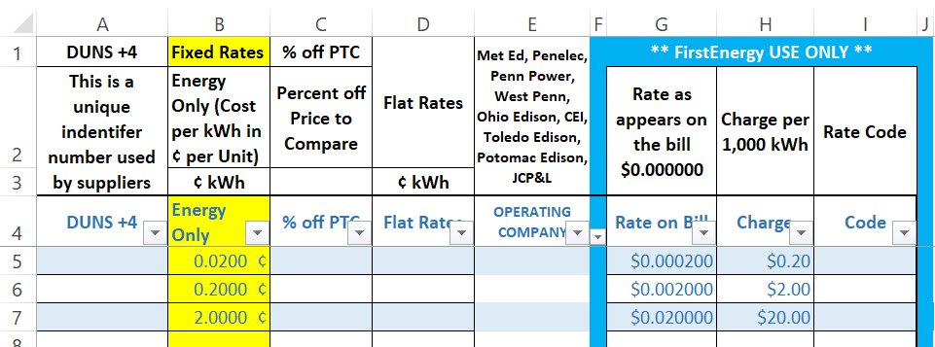

input your rate here | your rate will translate here on the right hand side

